8b. Project Management Process
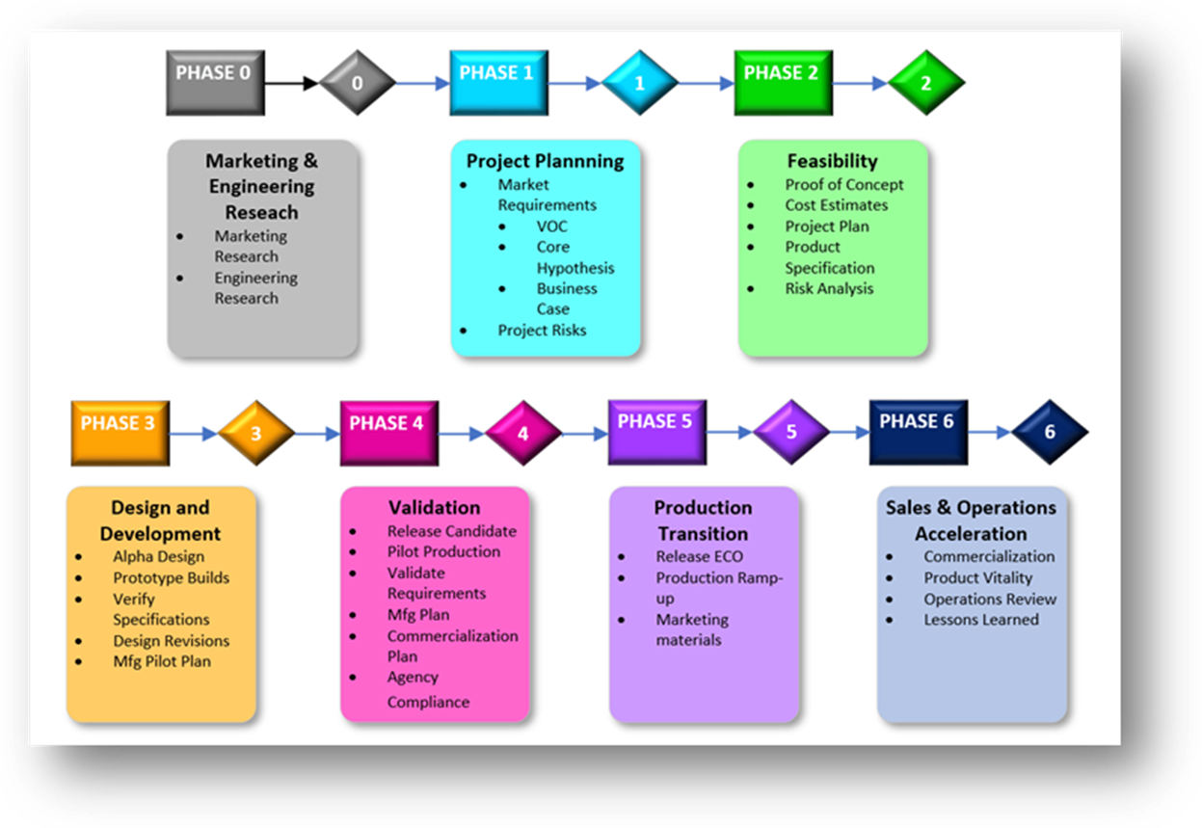
Use the blank page to detail your company's project management process. E.g. If given a new project today. List out the your internal processes from each phase the project lifecycle: Concept, Feasibility and Engineering, Execution, and Ramp/Bring up. You may chose to include things like: Process Map, Project management structure for each project / Single PM on each project, decision making process, etc.

OSM nVision Phase Gate Process

Each project phase is defined by the activities that take place within it. Specific milestones will be met in each phase, and they are reviewed in Gate Reviews for each phase. This process is scalable, meaning that individual projects may not require specific milestone tasks, or may even combine phases and their activities based on the project’s scope and complexity as described in section 2.2.

Phase 0 is the Marketing and Engineering Research phase of the project, and is the project’s early ideation stage. R&D teams conduct technology research and staging to eventually feed the project pipeline. Meanwhile the Marketing team performs market research to identify opportunities for new products. In phase 0, Marketing opportunities are matched to emerging technologies to result in a proposed statement of work for a project.

Phase 1 is the Project Planning phase of the project, which focuses on defining the requirements for the new product development. The objective of this phase is to ensure that high-value, viable projects are pursued. Market and product research are used to aid in the development of product requirements. The output is the project requirements for the product development team to develop into a product, as well as the preliminary project plan.

Phase 2 is the Feasibility phase of the project, where product risk is assessed, proof of concept prototypes are designed, built and tested to ensure mitigation of risk, and product specifications are developed as a result. Project plan and schedule are also refined. Alpha product design begins once an appropriate level of risk reduction is achieved.

Phase 3 is the design and Development phase, where Alpha prototypes are built and verified, risks are mitigated, and preliminary operations plans for pilot and release are developed. Verification results are used to refine the design into a Beta release candidate design.

Phase 4 is the Validation phase, where Beta release candidate designs are built in the factory for Pilot manufacturing to validate that the design meets requirements. This phase ensures that both the product and manufacturing process meet requirements. Any required agency compliance evaluations should be completed in this phase, and commercialization planning should be under way.

Phase 5 is the Production Transition phase, which focuses on preparing engineering, manufacturing, and sales functions to manufacture and sell the product. The product fully transitions to manufacturing, and production ramp up occurs. This phase culminates in launching the product for sale.

Phase 6 is the Sales and Operations Acceleration phase, which captures knowledge/lessons-learned and provides opportunities for continuous improvement in the process.

9b. Technical Roadmap
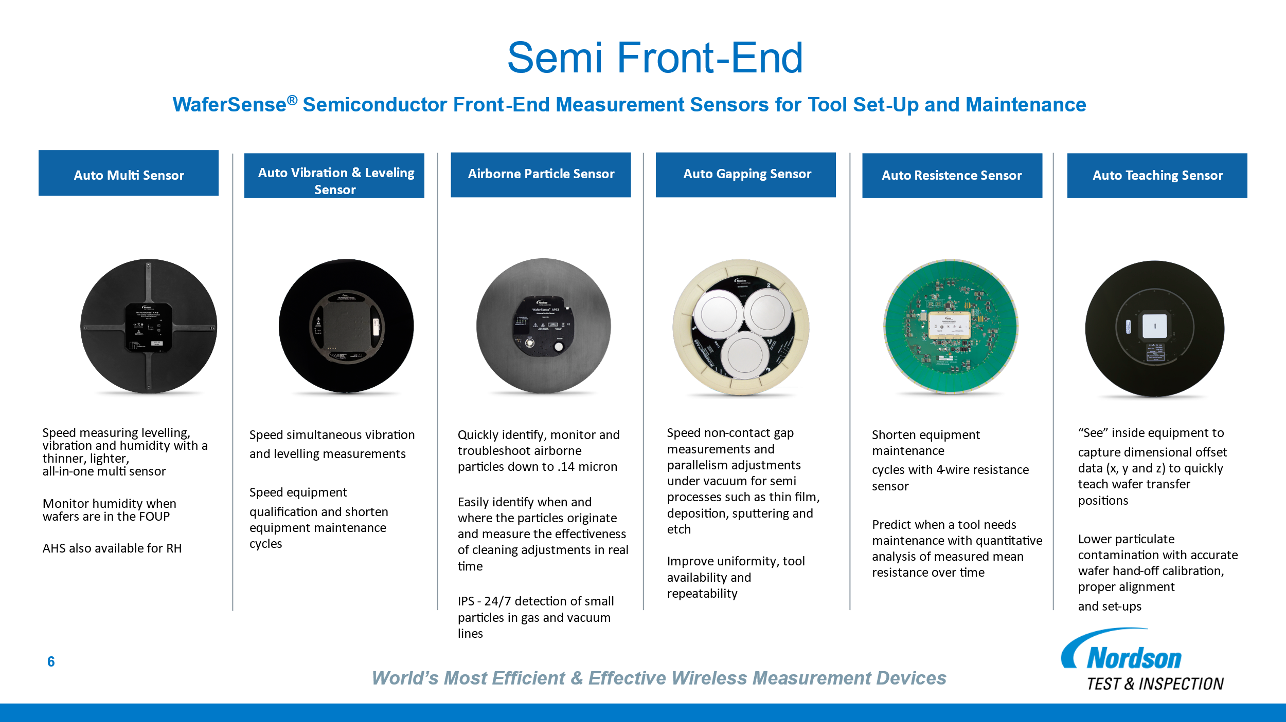
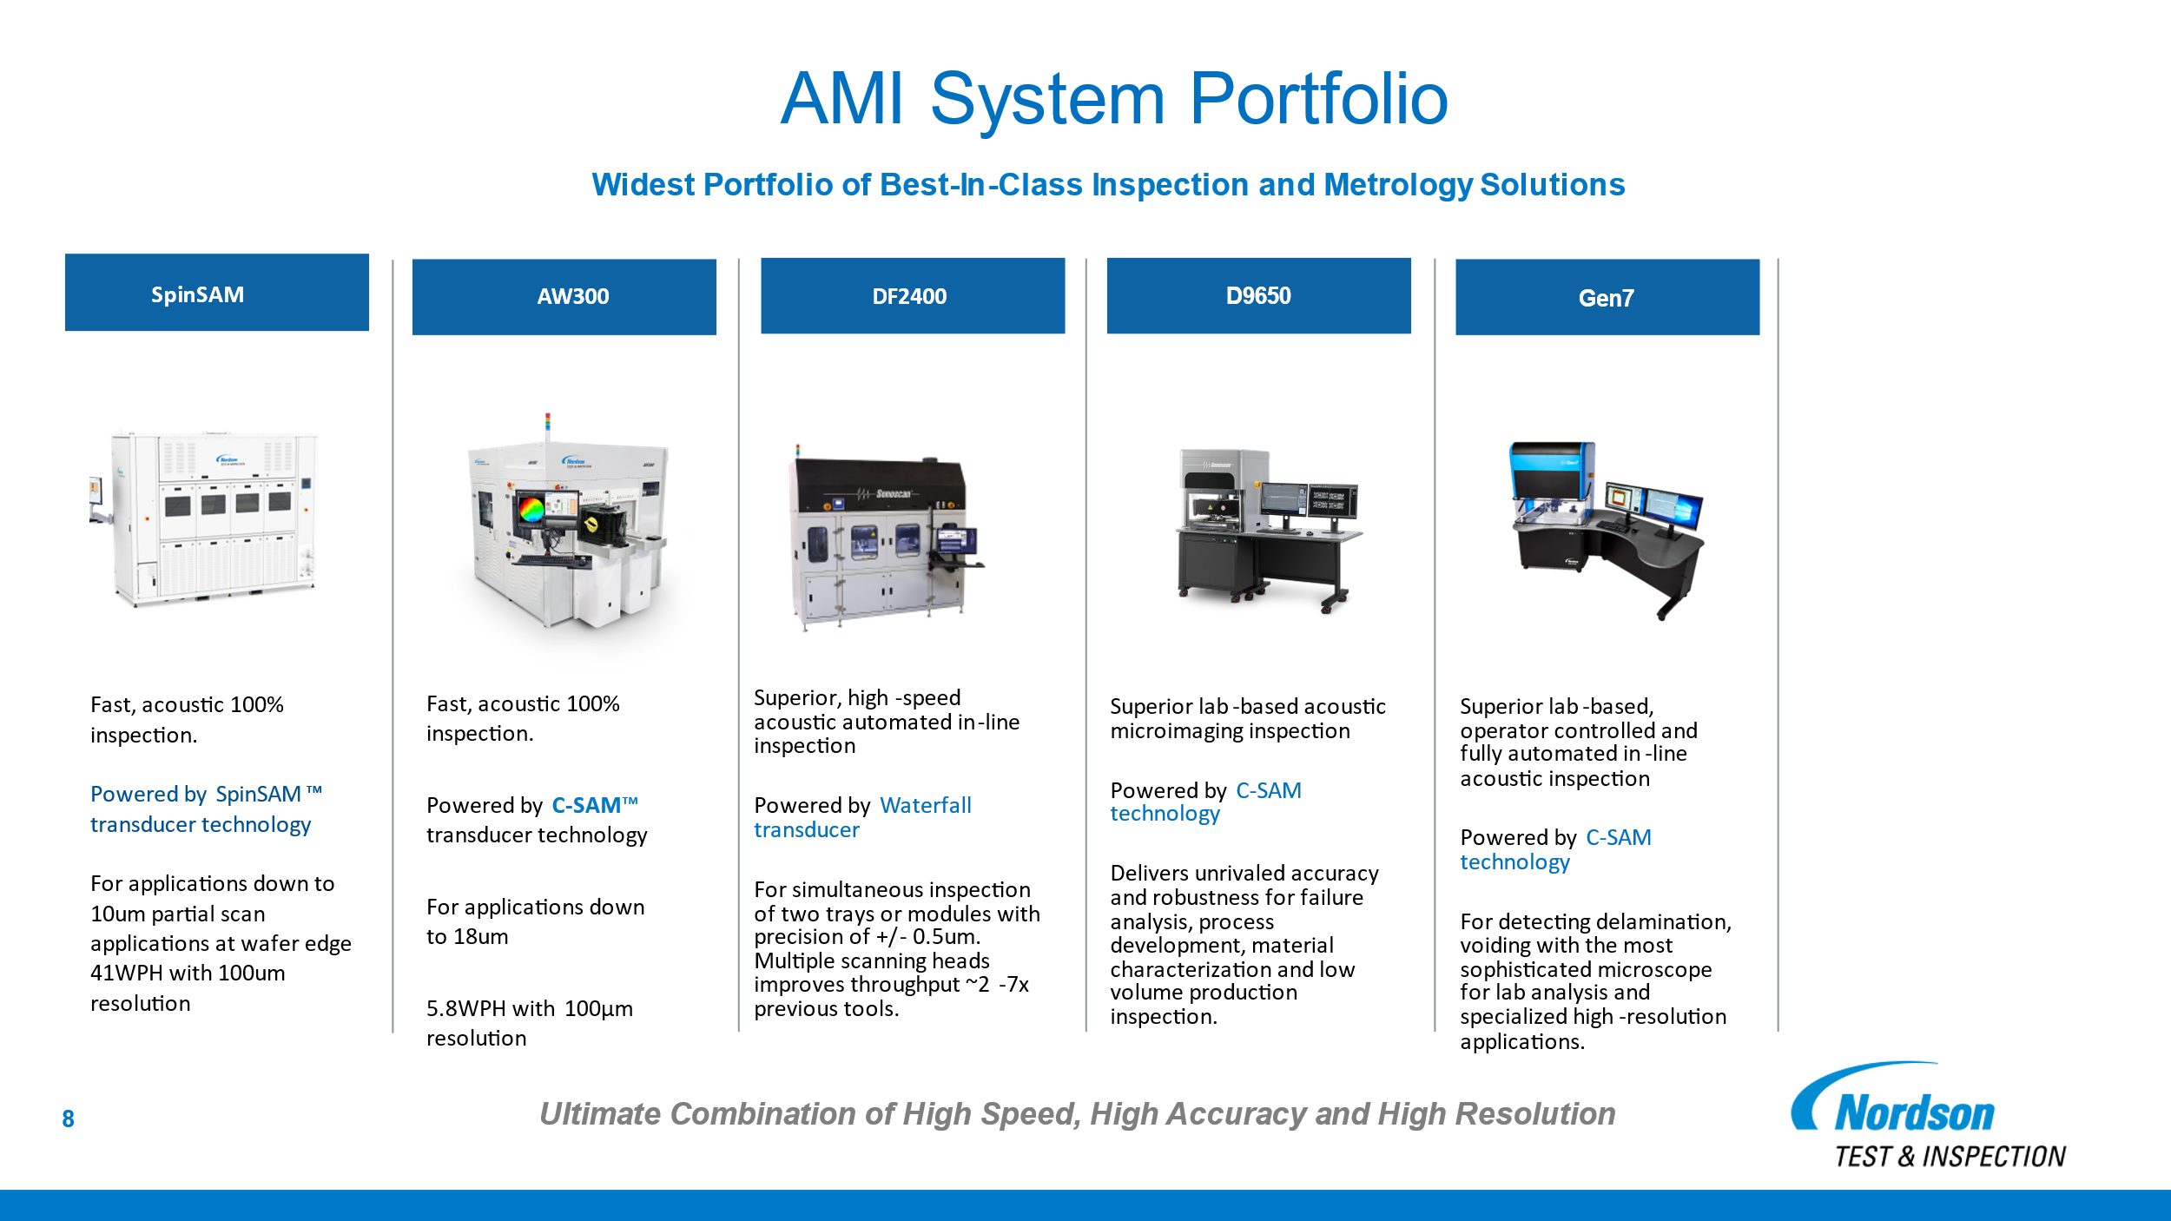
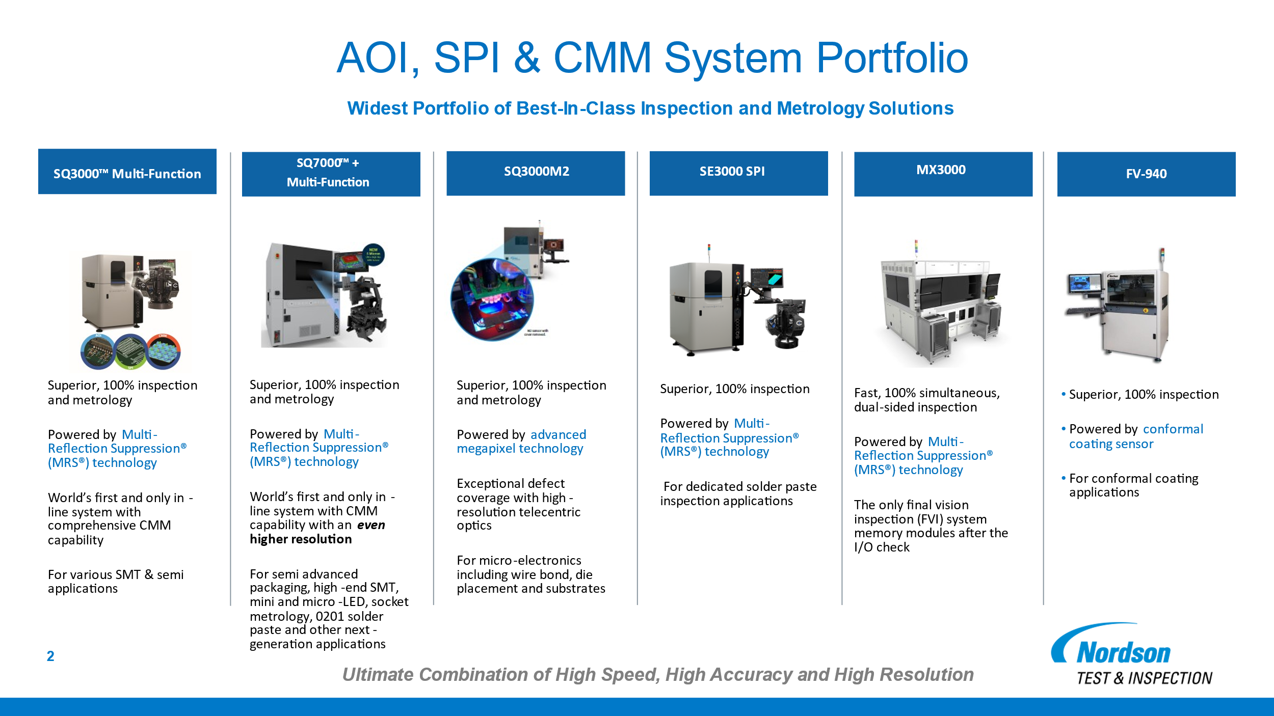
Use the blank page to detail your company's technical roadmap for apple or other customers

